Sheet1
Instructions: Please fill out all information to the best of your ability. For ease of use, you can TAB to all answer
fields. Please remember to use the "SAVE AS" functionality so that you keep a clean copy for future use.
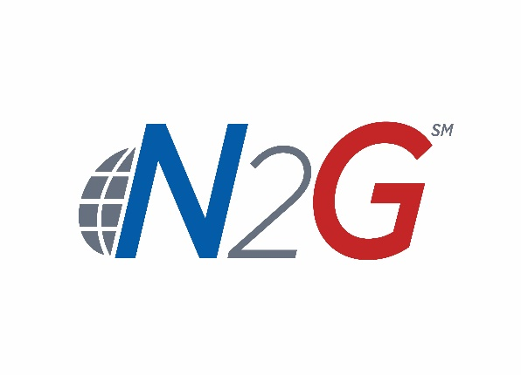 NATIONWIDE E&S/SPECIALTY PROPERTY REPORTING FORM
Dial 1-800-423-7675
E-mail to CLAIMS@N2G.COM

(*) Indicates a Mandatory Field. | IS THIS AN EMERGENCY CLAIM? |  |  | YES | NO
* REPORTED BY PERSON'S NAME: |  |  |  |  |  | COLLAPSE
* TITLE: |  | * BUSINESS PHONE: |  |  | EXT: | DRAIN BACK
FAX NUMBER: |  | E-MAIL ADDRESS: |  |  |  | EARTHQUAKE
* DATE OF ACCIDENT: MM/DD/YYYY |  |  | * TIME OF ACCIDENT: (HH:MM AM/PM) |  |  | FIRE
POLICY NUMBER
A. LOCAL BUSINESS ADDRESS INFORMATION |  |  |  |  |  | FLOOD
* PARENT CO. NAME: |  |  | SUBSIDIARY NAME: |  |  | FREEZE
* ADDRESS: |  |  |  |  |  | HURRICANE
* CITY, STATE, ZIP: |  |  |  | *COUNTY: |  | ICE/SNOW
* BUSINESS PHONE: |  | EXT. |  | FAX NUMBER: |  | LIGHTNING
* LOCATION CODE: |  | POLICY NUMBER: |  |  |  | SEWAGE
B. LOSS LOCATION INFORMATION |  |  |  |  |  | WIND
* LOCATION NAME: |  |  |  |  |  | OTHER
* DID ACCIDENT OCCUR ON THE INSUREDS PREMISES? (X) |  | YES |  | NO
*IF NO, ENTER PHYSICAL ADDRESS:
* CITY, STATE, ZIP: |  |  |  | *COUNTY:
C. CONTACT INFORMATION |  |  |  |  |  | THEFT
* WOULD YOU LIKE TO BE THE CONTACT PERSON?: (X) |  | YES |  | NO |  | TORNADO
* IF NO, ENTER CONTACT PERSON NAME: |  |  |  | TITLE: |  | VANDALISM
ADDRESS: |  |  |  |  |  | VEHICLE
*CONTACT PHONE: |  |  | E-MAIL ADDRESS: |  |  | WATER
E. ACCIDENT/LOSS INFORMATION
*SELECT TYPE OF LOSS: |  | IF OTHER, SPECIFY:
* DESCRIPTION OF ACCIDENT:

AUTHORITY NAME:
ESTIMATED AMOUNT OF DAMAGE:
I. GENERAL REMARKS
GENERAL REMARKS:

